Bikes
 |  |  |  |  | Oriental Sports
 |  |  |  |  | MG Road, Camp

Sr No. | Name/Title: | Discription | Qty | Category | Colors | Price | Image | Discount Price | Discount Percent:
 | Bikes |  |  |  |  | MRP
1 | KH-575 Commercial Recumbet Bike |  | 1 Nos |  |  | 125000 | 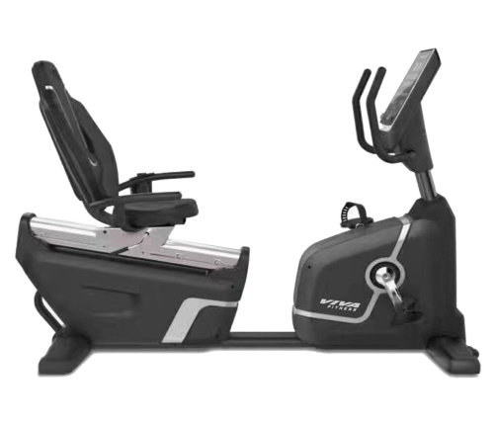

2 | KH-652 Magnetic Recumbet Bike |  | 1 Nos |  |  | 66250 | 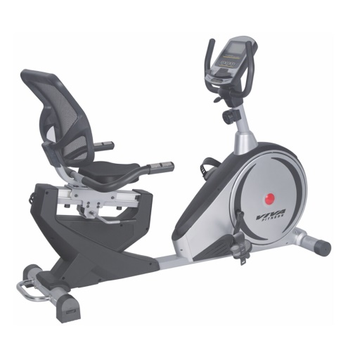

3 | KH-724 Magnetic Recumbet Bike |  | 1 Nos |  |  | 46250 | 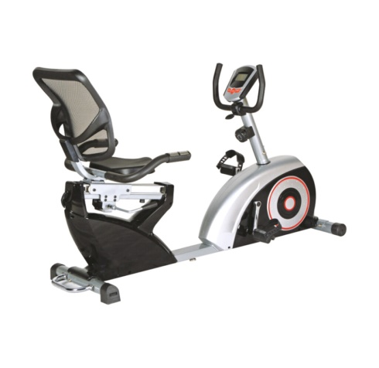

4 | KH-557 Upright Bike |  | 1 Nos |  |  | 41250 | 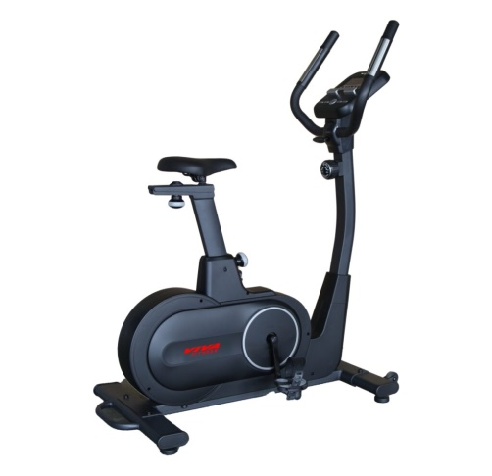

5 | KH-555 Upright Bike |  | 1 Nos |  |  | 25500 | 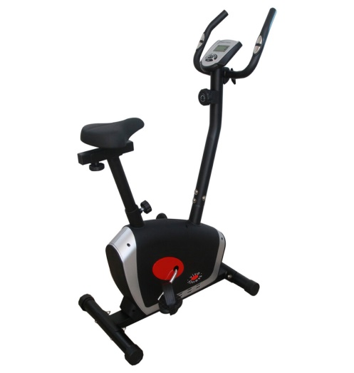

6 | KH-715 Upright Bike |  | 1 Nos |  |  | 32500 | 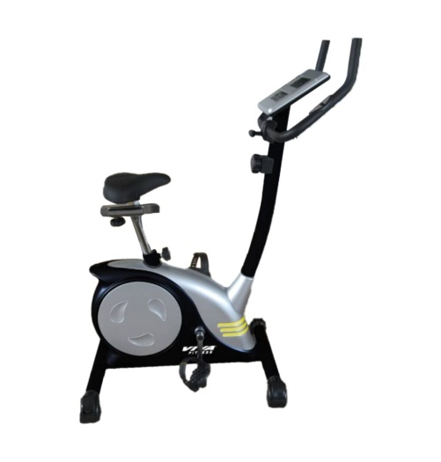

7 | KH-142 Spin Bike |  | 1 Nos |  |  | 41250 | 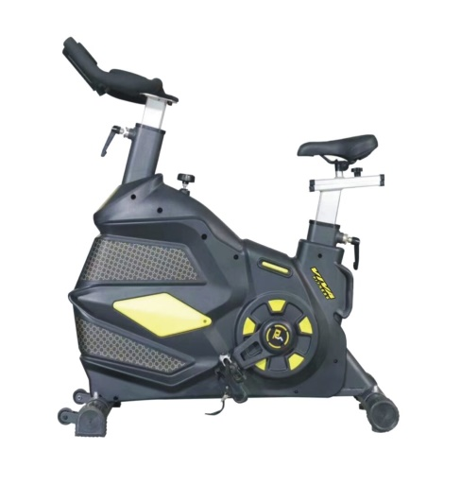

8 | KH-152 Spin Bike |  | 1 Nos |  |  | 55000 | 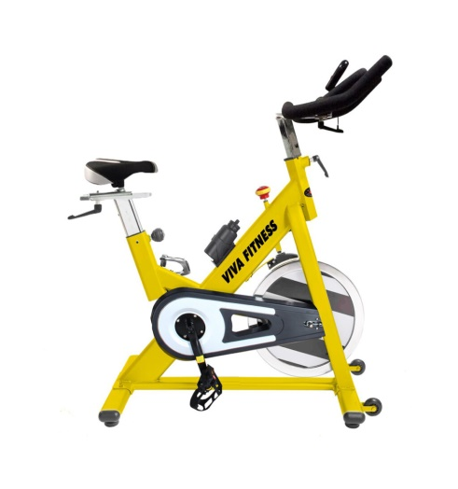

9 | AIR BIKE 205H |  | 1 Nos |  |  |  | 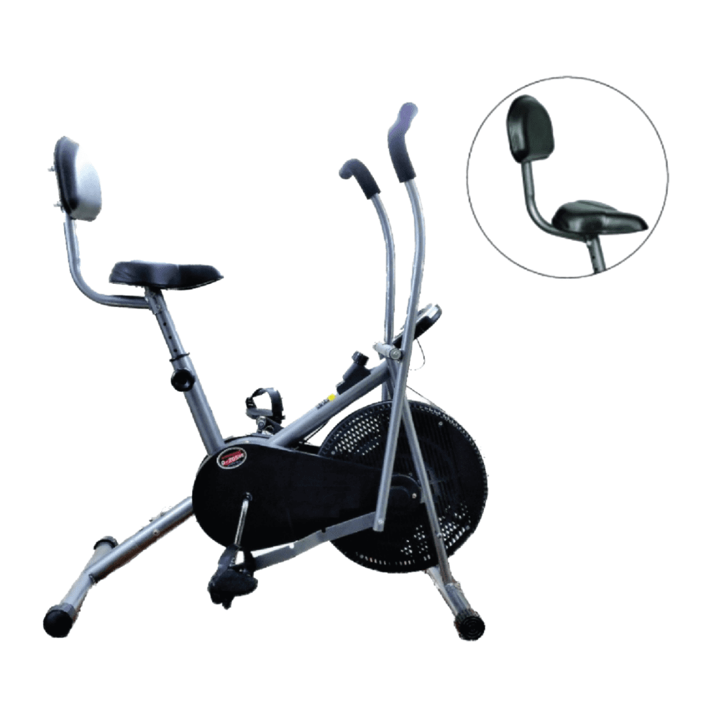

10 | AIR BIKE FW 204 |  | 1 Nos |  |  |  | 